Catering Form - Blank
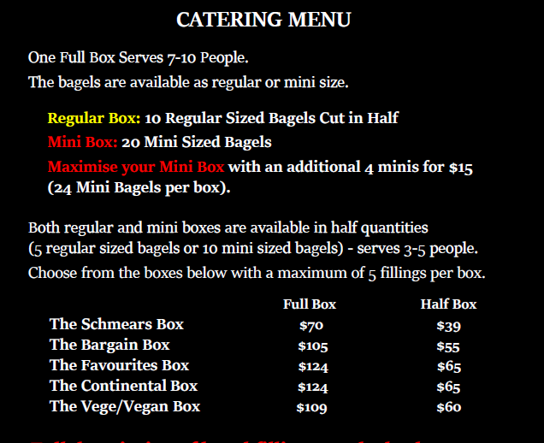
The Bagel Boys - Catering Order Form
(Please complete and email back to : info@thebagelboys.com.au)

Business Name (Billing):

Contact Name: |  |  |  |  |  |  |  | Date Required :

Contact Number: |  |  |  |  |  |  |  | Time Required :

Contact Email: |  |  |  |  |  |  |  | Delivery is available Monday to Fridays only
Delivery Address: |  |  |  |  |  |  |  | Delivery Required : |  |  | Yes

Delivery Instructions: |  |  |  |  |  |  |  |  |  |  | No

 | Pick Up from (Store): |  |  | George St, City |  | QUT (Garden's Point) |  |  | UQ, St Lucia

 |  |  |  | Cribb St, Milton |  | QUT (Kelvin Grove)

Regular Box: (10 Regular Sized Bagels Cut in Half) Mini Box: (20 Mini Sized Bagels)
One Full Box Serves 7-10 People
Both regular and mini boxes are available in half boxes (5 regular sized bagels or 10 mini sized bagels) serves 3-5 people.
 |  |  | Full Box |  | Half Box
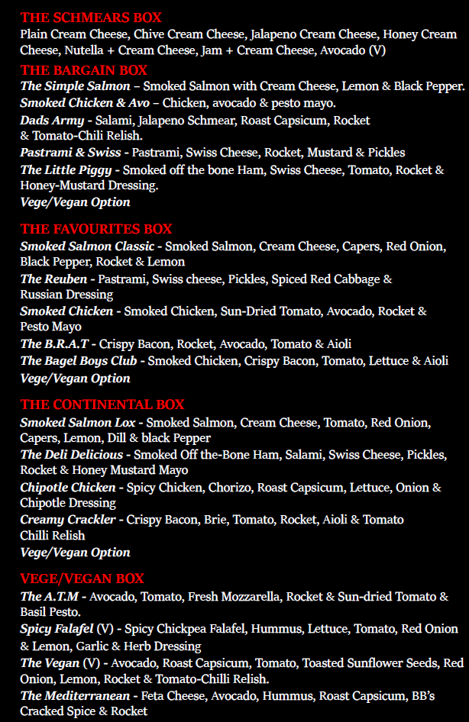
Total Number of Mini Bagel Boxes: |  |  |  |  |  |  | Maximise your full sized mini box of 20 with an additional 4 minis
 |  |  |  |  |  |  | for $15.00 [24 mini bagels per box] :
Total Number of Regular Bagel Boxes:

SELECT YOUR FILLINGS OR LEAVE IT UP TO OUR TEAM
The boxes will contain a mix of plain, poppy, sesame and wholegrain bagels.

Bargain Box |  |  |  |  | Little Piggy | Pastrami & Swiss |  |  | The Simple Salmon*
 |  | FULL | HALF
Total Number of Boxes Required |  |  |  |  | Dad's Army | Smoked Chicken & Avo (contains nuts) |  |  | Vege/Vegan Option

Vege/Vegan Box |  |  |  |  | A.T.M (VG) | The Mediterranean (VG) |  |  | Spicy Falafel (Vegan)
 |  | FULL | HALF
Total Number of Boxes Required |  |  |  |  | The Vegan (Vegan)

Schmears Box |  |  |  |  | Plain CC | Chives CC |  |  |  | Jalapeño CC
 |  | FULL | HALF
Total Number of Boxes Required |  |  |  |  | Honey CC | Jam + CC |  |  |  | Nutella + CC

 |  |  |  |  | Avocado (Vegan)

BB Favourite's Box |  |  |  |  | B.R.A.T (DF) | Smoked Salmon Classic* |  |  | Smoked Chicken (contains nuts)
 |  | FULL | HALF
Total Number of Boxes Required |  |  |  |  | The Reuben | Bagel Boys Club (DF) |  |  | Vege/Vegan Option

The Continental Box |  |  |  |  | The Lox* | Chipotle Chicken (DF) |  |  | The Deli Delicious
 |  | FULL | HALF
Total Number of Boxes Required |  |  |  |  | Creamy Crackler | Vege/Vegan Option

Extras

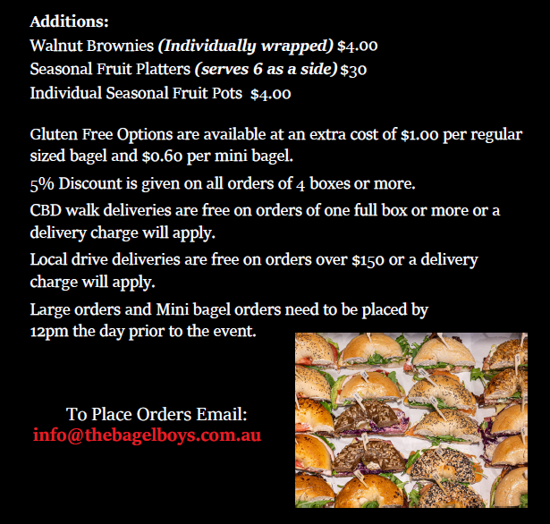
Please indicate the number required |  |  | Walnut Brownies |  |  | Fruit Platter |  |  | Fruit Pots

*If ordering more than 20% of Salmon flavours, a surcharge may apply.
Dietary Requirements:
Gluten Free bagels are available for all boxes - please indicate the number of gluten free required if applicable.
** Gluten Free bagels are NOT Vegan, they contain egg product **

Please refer to the invoice for payment details

